Sheet1
SOUTHERN ARK - PREDATOR TRANSECT FORM 2021-2022

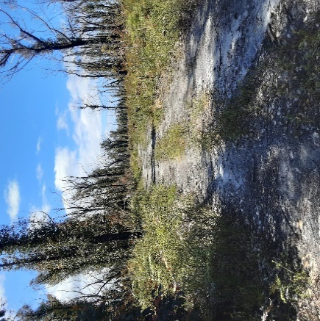
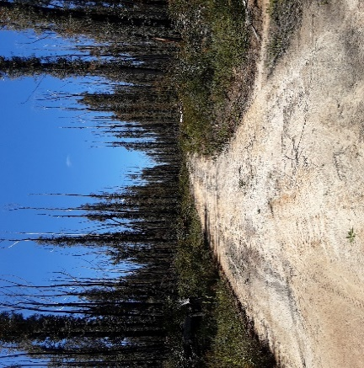
WWFT1 | RECONYX |  | Started 0 KLMS at Gate Cicada - Gate locked Field Team Member - Barry Phillips
 | High-very heigh severity |  |  |  | Fire severity
SITE | CAMERA NO | CARD | COMMENTS Heading in off West Wingan |  | VH
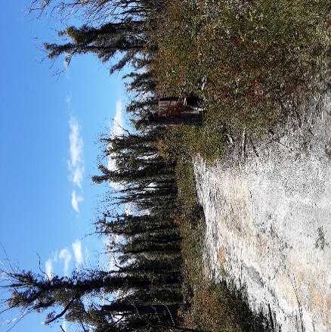
WWF001 | 35 | 1157 | R/H Side | Just behind stump with orange tag. | VH
WWF002 | 104 | 154 | R/H Side | 7mtrs in Lge double Tree trunk | VH
WWF003 | 103 | 1239 | R/H Side | 5 mtrs from runoff 10 mtrs in. | VH
WWF004 | 54 | 315 | L/H Side | Down small runoff to right of run off 5 mtrs in | H
WWF005 | 36 | 1226 | R/H Side | 7 mtrs in -Dead Spar 3 Mtrs high | VH
WWF006 | 100 | 1345 | L/H Side | 10 mtrs past bait station 1661 5 mtrs in | H
WWF007 | 49 | 641 | L/H Side | 5 mtrs in | H
WWF008 | 93 | 669 | L/H Side | 6 mtrs in | H
WWF009 | 101 | 259 | R/H Side | 10 mtrs in BANKSIA | H
WWF010 | 102 | 657 | L/H Side | 6 mtrs in. | VH

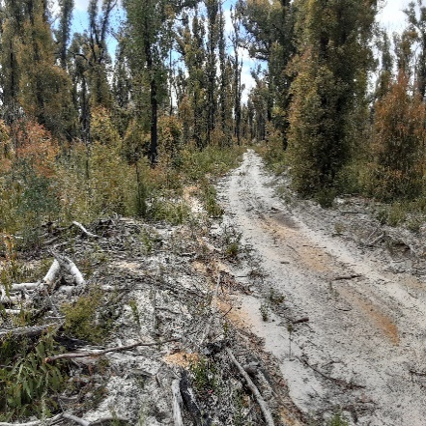
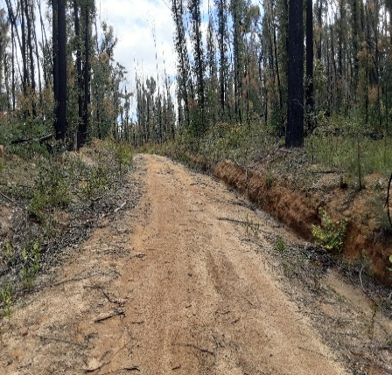
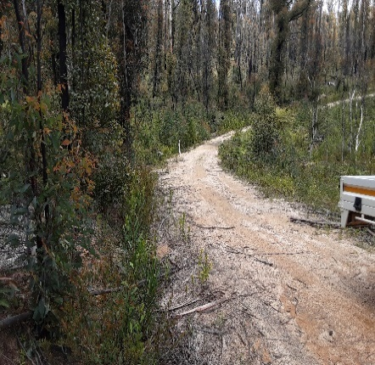
WWFT2 | RECONYX |  |  | Hard To Seek Track Field Team Member - Roger Mull
SITE | CAMERA NO | CARD | COMMENTS
WWF021 | 151 | 472 | R/H Side |  | VH
WWF022 | 152 | 658 | L/H Side |  | H
WWF023 | 150 | 361 | R/H Side |  | H
WWF024 | 86 | 648 | R/H Side |  | L/M
WWF025 | 30 | 283 | R/H Side |  | VH
WWF026 | 202 | 1492 | R/H Side |  | VH
WWF027 | 82 | 1227 | L/H Side |  | VH
WWF028 | 89 | 500 | R/H Side |  | VH
WWF029 | 194 | 314 | L/H Side |  | H
WWF030 | 191 | 584 | L/H Side |  | H

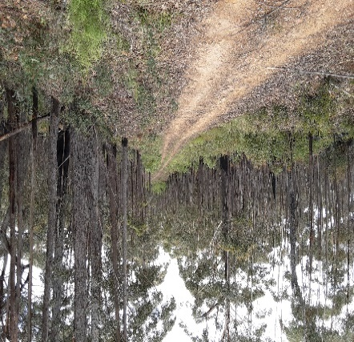
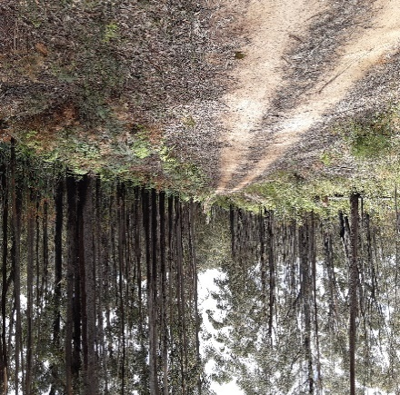
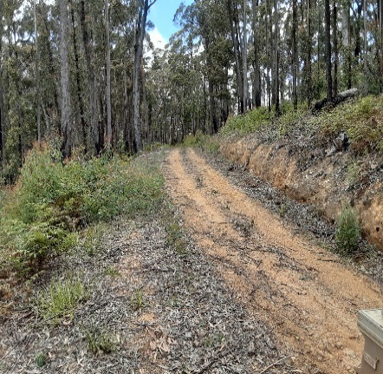
WWFT3 | SWIFT |  |  | WB LINE TRACK Field Team Member - Beric Clifford
SITE | CAMERA NO | CARD | COMMENTS
WWF031 | 93 | 1228 | R/H Side | Heading west from Jones Crk Rd , Behind Bait Station ,(BS) 2093 | H
WWF032 | 94 | 1234 | R/H Side | Just before BS 2094 | L/M
WWF033 | 75 | 1155 | R/H Side | Behind BS 2095 | L/M
WWF034 | 92 | 1249 | L/H Side | Behind BS 2096 | L/M
WWF035 | 91 | 313 | R/H Side | Behind BS 2097 | L/M
WWF036 | 115 | 574 | R/H Side | 10 Mtrs before BS 2098 | L/M
WWF037 | 88 | 616 | L/H Side | Opposite BS 2099 | L/M
WWF038 | 90 | 244 | R/H Side | Behind BS 2100 | L/M
WWF039 | 76 | 1231 | R/H Side | Behind BS 2101 | L/M
WWF040 | 89 | 1237 | L/H Side | 3 car lengths Past BS 2102 | L/M

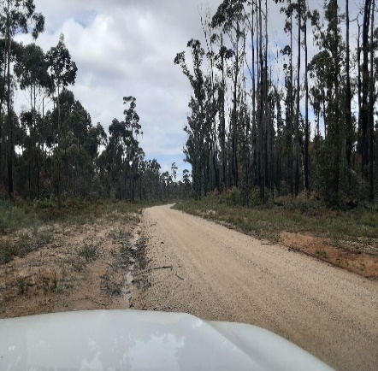
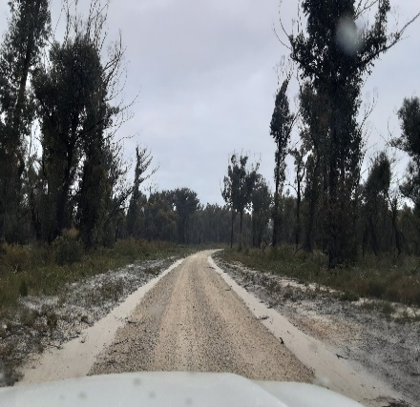
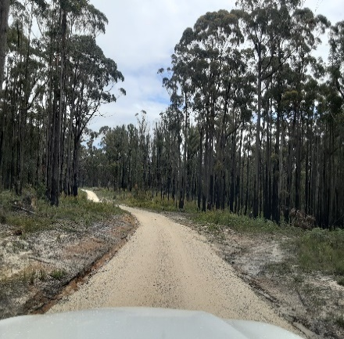
WWFT4 | SWIFT |  |  | OLD COAST RD Field Team Member - Josh Puglisi
SITE | CAMERA NO | CARD | COMMENTS
WWF041 | 110 | 201 | Nth Side |  | L/M
WWF042 | 111 | 526 | Sth Side | Before Bridge | L/M
WWF043 | 112 | 223 | Nth Side |  | L/M
WWF044 | 108 | 442 | Nth Side |  | L/M
WWF045 | 109 | 693 | Nth Side |  | L/M
WWF046 | 106 | 1222 | Nth Side |  | H
WWF047 | 113 | 1402 | Nth Side |  | H
WWF048 | 114 | 452 | Nth Side |  | L/M
WWF049 | 95 | 1401 | Nth Side |  | L/M
WWF050 | 96 | 110 | Nth Side |  | L/M

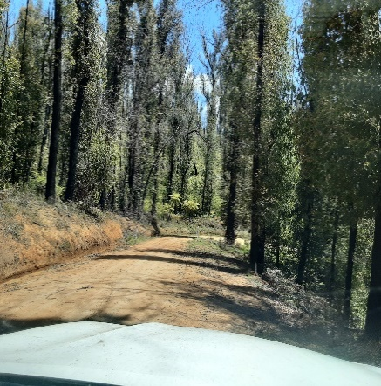
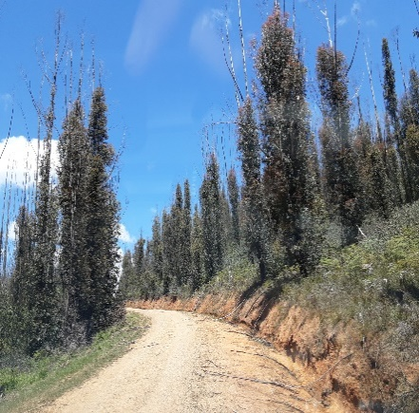
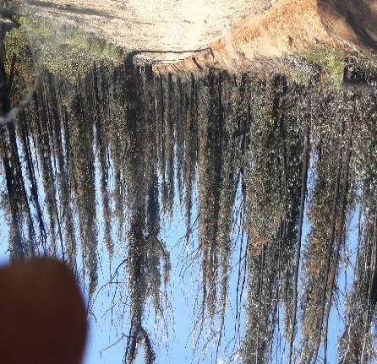
WWFT5 | RECONYX |  |  | Sardine - Rich 501 Field Team Member - Josh Puglisi
SITE | CAMERA NO | CARD | COMMENTS
WWF051 | 216 | 511 | Nth Side | On Rich 501 Rd | H
WWF052 | 206 | 439 | Nth Side |  | VH
WWF053 | 209 | 564 | Sth Side |  | VH
WWF054 | 106 | 679 | Nth Side | 1.6 Km Behind BS 512 | VH
WWF055 | 216 | 112 | Nth Side | 1.5 Km | H
WWF056 | 112 | 433 | West Side | 2.0 Km | H
WWF057 | 148 | 418 | West Side | 1.2 Km | H
WWF058 | 149 | 1397 | West Side | 1.5 Km | H
WWF059 | 160 | 355 | East Side | 1.0 Km | VH
WWF060 | 245 | 1338 | ? | Approx 1.5 Km | VH

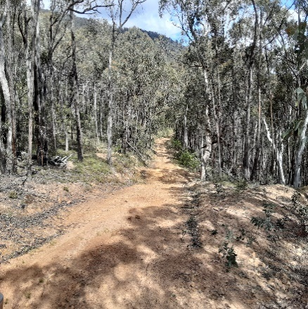
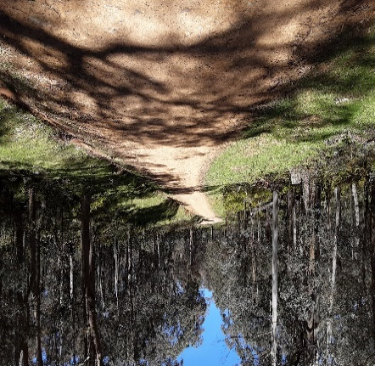
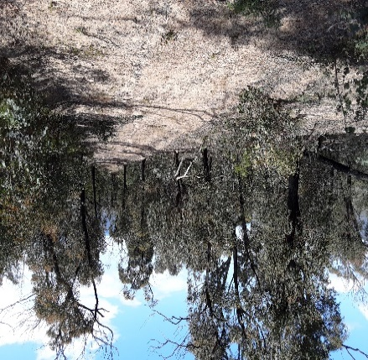
WWFT6 | SWIFT |  |  | The Fives Rd Cnr Haydens Bog Rd Field Team Member - Beric Clifford
SITE | CAMERA NO | CARD | COMMENTS
WWF061 | 82 | 414 | L/H Side | Opposite BS 2465 Cnr of Haydens Bog rd and The Fives Rd Bendoc. | UB
WWF062 | 66 | 1145 | L/H Side | Behind BS 2464 | UB
WWF063 | 80 | 239 | L/H Side | Opposite Side BS 2463 Approx 2 car lengths | UB
WWF064 | 65 | 261 |  | Behind BS 2462 | UB
WWF065 | 84 | 132 | L/H Side | Behind Jackson Tk and The Fives Rd Signs | UB
WWF066 | 81 | 521 | L/H Side | On same side as BS 2460, 5 car lengths past BS | UB
WWF067 | 83 | 502 | L/H Side | Same side as bait station , 6 car lengths past on tree stump behind big tree | UB
WWF068 | 77 | 104 | R/H Side | Behind BS 2472, on R/H side heading Nth | UB
WWF069 | 78 | 493 | R/H Side | Behind BS 2473 | UB
WWF070 | 79 | 390 | R/H Side | Behind BS 2474 | UB

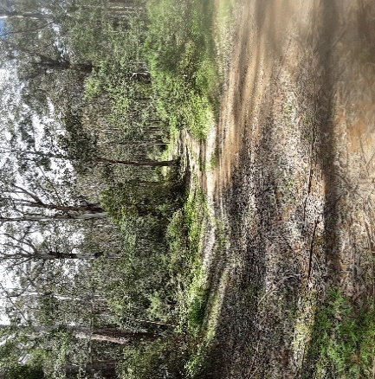
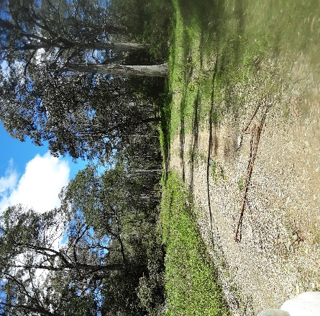
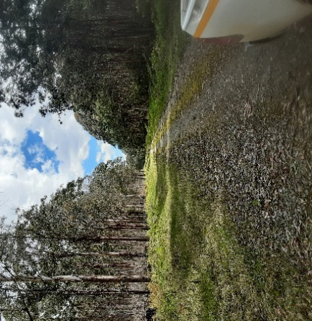
WWFT7 | RECONYX |  |  | Back Creek Rd and Goonmirk Rocks Rd Field Team Member - Bianca McLaren
SITE | CAMERA NO | CARD | COMMENTS
WWF071 | 70 | 494 | R/H Side | Sth Facing Back Creek Rd | UB
WWF072 | 69 | 167 | L/H Side | Sth Facing Hensleigh Creek Rd | UB
WWF073 | 75 | 497 | L/H Side | Sth West facing | UB
WWF074 | 63 | 1152 | R/H Side | Sth Facing 1Km from Clarkville/Goonmirk Rocks Intersection | UB
WWF075 | 183 | 428 | L/H Side | Sth West facing. Approx 200mtrs down from intersection. | UB
WWF076 | 170 | 197 | R/H Side | Sth West facing. | UB
WWF077 | 68 | 515 | R/H Side | Sth Facing | UB
WWF078 | 67 | 689 | L/H Side | Sth Facing, hard to clear site and find tree small enough for camera cord. | UB
WWF079 | 73 | 632 | L/H Side | Sth Facing | UB
WWF080 | 81 | 116 | L/H Side | West Facing | UB

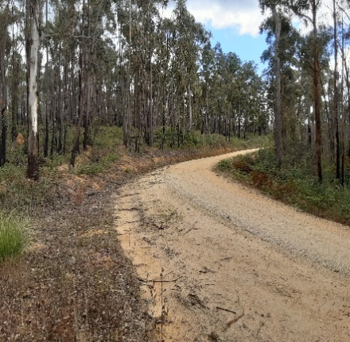
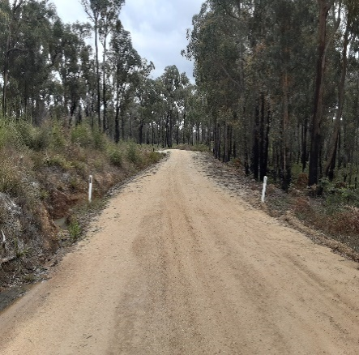
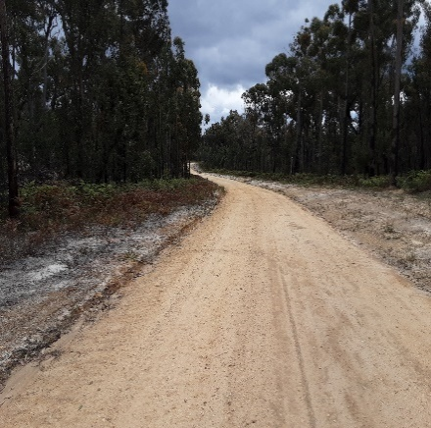
WWFT8 | SWIFT |  |  | Rocky River Rd Field Team Member - Roger Mull
SITE | CAMERA NO | CARD | COMMENTS
WWF081 | 123 | 257 | R/H Side |  | L/M
WWF082 | 117 | 149 | L/H Side |  | L/M
WWF083 | 122 | 1391 | L/H Side |  | L/M
WWF084 | 118 | 531 | L/H Side |  | L/M
WWF085 | 121 | 212 | R/H Side |  | L/M
WWF086 | 105 | 1404 | L/H Side |  | L/M
WWF087 | 124 | 406 | L/H Side |  | L/M
WWF088 | 120 | 155 | L/H Side |  | L/M
WWF089 | 116 | 408 | L/H Side |  | L/M
WWF090 | 119 | 133 | L/H Side |  | L/M

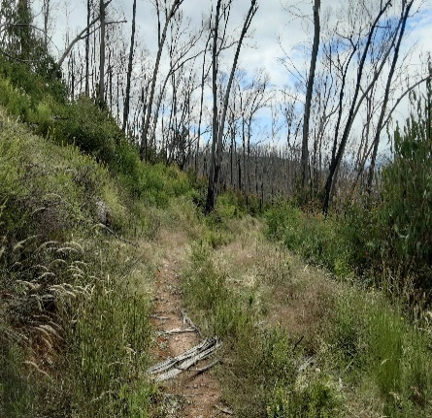
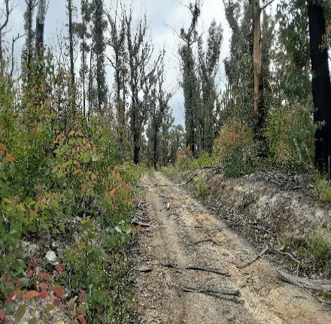
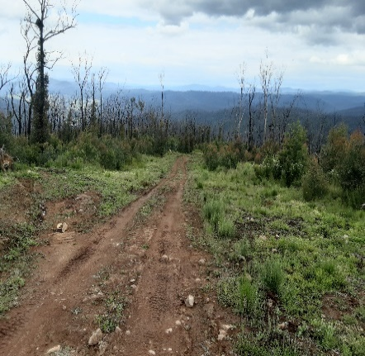
WWFT9 | SWIFT |  |  | Tara Range Rd Field Team Member - Peter Lohr
SITE | CAMERA NO | CARD | COMMENTS
WWF091 | 133 |  | R/H Side |  | H
WWF092 | 131 |  | R/H Side |  | VH
WWF093 | 134 |  | R/H Side |  | VH
WWF094 | 126 |  |  | Approx 1.3 Km from last site | VH
WWF095 | 128 |  |  |  | VH
WWF096 | 132 |  |  |  | VH
WWF097 | 129 |  |  |  | VH
WWF098 | 130 |  |  |  | H
WWF099 | 127 |  |  |  | H
WWF100 | 125 |  |  |  | L/M

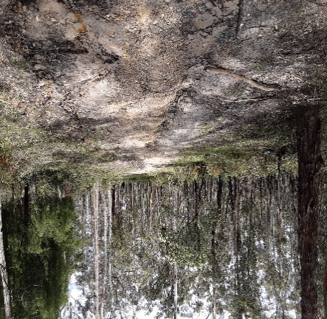
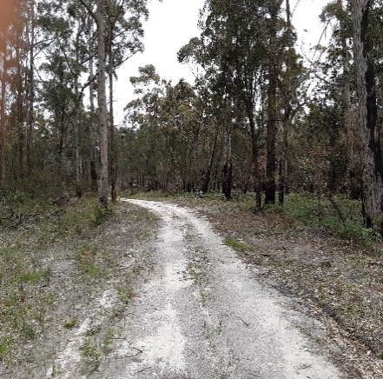
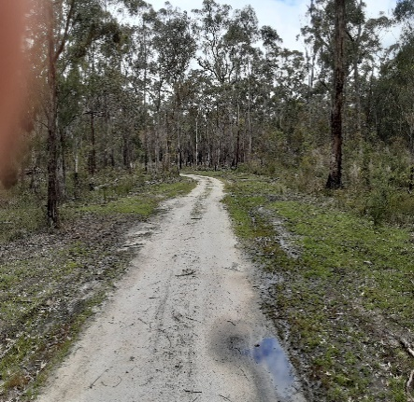
WWFT10 | SWIFT |  |  | Simpson Link Tk/ Dinner Creek Tk Field Team Member - Beric Clifford
SITE | CAMERA NO | CARD | COMMENTS
WWF101 | 85 | 379 | R/H Side | Simpson Link Heading towards Wombat Creek | UB
WWF102 | 99 | 1233 | R/H Side | Simpson Link Heading towards Wombat Creek | UB
WWF103 | 97 | 1225 | L/H Side | Russell Track Heading towards Wombat Creek | UB
WWF104 | 98 | 483 | R/H Side | Of Beach Rd Heading Nth | UB
WWF105 | 101 | 1159 | R/H Side | Heading Nth towards Dinner Link Tk Down Drainage ditch | UB
WWF106 | 102 | 653 | L/H Side | Heading towards Wombat Creek | UB
WWF107 | 86 | 162 | R/H Side | Heading towards Wombat Creek 20 mtrs down wash off | UB
WWF108 | 104 | 264 | R/H Side | Heading towards Wombat Creek | UB
WWF109 | 100 | 377 | L/H Side | Next to cleared path , Heading towards Wombat Creek | UB
WWF110 | 103 | 1240 | L/H Side | On left hand side of curve in rd, Heading towards Wombat Creek | UB

